Prototype Model
Prototype Description | Medium Office Building (0300CZ-OffMed) | Medium Office Building (0300CZ-OffMed-LabwExhPVAV) 0314716 & 0314806 Models | Large Office Building (0400CZ-OffLrg) | Large Office Building (0400CZ-OffLrg-CRAH) | Retail Medium (0500CZ-RetlMed) | Strip Mall-PSZ System (1000CZ-RetlStrp) | Strip Mall-PTAC System (1000CZ-RetlStrp) | Strip Mall- Fan Coil System (1000CZ-RetlStrp)
Vintage | New Construction | Same As Off Med | New Construction | Same As Off Lrg | New Construction | New Construction | New Construction | New Construction
Location | CZ-6/16 |  | CZ-7/6/16 |  | CZ-6/7/15 | CZ-6/15 | CZ-6/15 | CZ-6/15/16
Fuel Type | gas, electricity |  | gas, electricity |  | gas, electricity | gas, electricity | Same as Strip Mall- PSZ System | Same as Strip Mall- PSZ System
Total Floor Area (sq feet) | 53600 (163.8 ft x 109.2 ft) |  | 498,600 (240 ft x 160 ft) |  | 24695 (178 ft x 139 ft) | 22,500 ft² (300 ft x 75 ft)
Building shape | 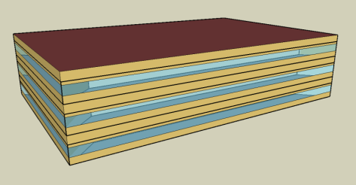
Aspect Ratio | 1.5 |  | 1.5 |  | 1.28 | 4
Number of Floors | 3 |  | 13 (Including basement) |  | 1 | 1
Window Fraction (Window-to-Wall Ratio) | 33% (Window Dimensions: 163.8 ft x 4.29 ft on the long side of facade 109.2 ft x 4.29 ft on the short side of the façade) |  | 40% of above-grade gross walls 37.5% of gross walls (including the below-grade walls) |  | 7.1% (Window Dimensions: 82.136 ft x 5 ft, 9.843 ft x 8.563 ft and 82.136 ft x 5 on the street facing facade) | 10.5% (Window Dimensions: 24 windows, 7 ft x 5 ft each and 12 doors, 6 ft x 7 ft each, on the street facing façade with south WWR 26%)
Window Locations | evenly distributed along four façades |  | evenly distributed along four façades |  | Windows only on the street facing façade (25.4% WWR) | Windows only on the street facing façade
Shading Geometry | none |  | none |  | none | none
Azimuth | non-directional |  | non-directional |  | non-directional | non-directional
Thermal Zoning | Perimeter zone depth: 15 ft. Each floor has four perimeter zones and one core zone. Percentages of floor area: Perimeter 40%, Core 60% |  | Perimeter zone depth: 15 ft. Each floor has four perimeter zones and one core zone. Percentages of floor area: Perimeter 33%, Core 67% |  | Five thermal zones Refer StandAloneRetailArea for details | 10 thermal zones (from left to right): LGStore1 (Type 1), SMStore1 (Type 1), SMStore2 (Type 2), SMStore3 (Type 3), SMStore4 (Type 2), LGStore2 (Type 3), SMStore5 (Type 3), SMStore6 (Type 3), SMStore7 (Type 3), and SMStore8 (Type 3). Refer StripMallArea for details
Back_Space
Core_Retail
Front_Entry
Point_of_Sale
Front_Retail
Floor to floor height (feet) | 13 |  | 13, Basement - 8 |  | 20 | 17
Floor to ceiling height (feet) | 9 (4 ft above-ceiling plenum) |  | 9 |  | 20 (Core retail, Front Entry) 15 (Point of Sale, Front Retail, Back Space) | 17
Glazing sill height (feet) | 3.35 ft (top of the window is 7.64 ft high with 4.29 ft high glass) |  | 3 ft |  | 3.74 ft (top of the window is 8.73 ft high with 5 ft high glass) | 3.0 ft (top of the window is 8 ft high)
Exterior walls
Construction | Metal Framed Wall |  | Metal Framed Wall |  | Metal Framed Wall | Metal Framed Wall
Construction Assembly Layers | Refer MetalFrameWall / Metal Framed Wall |  | Refer MetalFrameWall / Metal Framed Wall |  | Refer MetalFrameWall / Metal Framed Wall | Refer MetalFrameWall / Metal Framed Wall
 |  |  | Refer BasementWall
U-factor (Btu / h * ft2 * °F) and/or R-value (h * ft2 * °F / Btu) | 0.062 |  | Exterior Wall U: 0.062 |  | 0.062 | 0.062
Roof
Construction | Roof |  | Roof |  | Roof | NACM Roof
Construction Assembly Layers | Refer Roof |  | Refer Roof |  | Refer Roof | Refer Roof
U-factor (Btu / h * ft2 * °F) | 0.034 |  | 0.034 |  | 0.034 | 0.034
Aged Solar Reflectance Aged Thermal Emittance | 0.08 0.75 |  | 0.08 0.75 |  | 0.08 0.75 | 0.08 0.75
Tilts and orientations | Horizontal |  | Horizontal |  | Horizontal | Horizontal
Window
Glass-Type and frame | Fixed vertical window with U-value and SHGC as specified. |  | Fixed vertical window with U-value and SHGC as specified. |  | Fixed vertical window with U-value and SHGC as specified. | Fixed vertical window with U-value and SHGC as specified.
U-factor (Btu / h * ft2 * °F) | 0.36 |  | 0.36 |  | 0.36 | 0.36
SHGC | 0.25 |  | 0.25 |  | 0.25 | 0.25
Visible transmittance | 0.42 |  | 0.42 |  | 0.42 | 0.42
Operable area | 0 |  | 0 |  | 0 | 0
Skylight | NA |  | NA
Dimensions |  |  |  |  | Skylight to Roof Ratio- 2.07 % Core Retail, Refer Skylight Layout for details | Skylight to Roof Ratio- 0.85 %
Glass-Type and frame |  |  |  |  | Glass, curb mounted skylight with U-value and SHGC as specified. | Glass, curb mounted skylight with U-value and SHGC as specified.
U-factor (Btu / h * ft2 * °F) |  |  |  |  | 0.58 | 0.58
SHGC |  |  |  |  | 0.25 | 0.25
Visible transmittance |  |  |  |  | 0.49 | 0.49
Foundation
Foundation Type | Slab Floor F-factor method |  | Slab Floor F-factor method |  | Slab Floor F-factor method | NACM Slab Floor F-factor method
Construction | Unheated Slab on Grade with 12 in Horizontal R-5 Insulation |  | Unheated Slab on Grade with 12 in Horizontal R-5 Insulation |  | Unheated Slab on Grade with 12 in Horizontal R-5 Insulation | Unheated Slab on Grade with 12 in Horizontal R-5 Insulation
F factor (Btu / h * ft2 * °F) | 0.72 |  | 0.72 |  | F factor= 0.72 | F factor= 0.72
Thermal properties for basement walls | NA |  | Refer BasementWall for detailed description |  | NA | NA
Interior Surfaces
Construction | Uninsulated Stud Wall Interior Walls, Concrete with carpet for interior floor slabs, 3/4 in Acoustic celing tile for Drop ceiling |  | Uninsulated Stud Wall Interior Walls, Concrete with carpet for interior floor slabs, 3/4 in Acoustic celing tile for Drop ceiling |  | Uninsulated Stud Wall Interior Walls, Concrete with carpet for interior floor slabs, 3/4 in Acoustic celing tile for Drop ceiling | Uninsulated Stud Wall Interior Walls, Concrete with carpet for interior floor slabs, 3/4 in Acoustic celing tile for Drop ceiling
Construction Assembly Layers | Interior wall Interior Floor Drop Ceiling |  | Interior wall Interior Floor Drop Ceiling |  | Interior wall | Interior wall
Air Barrier System
Infiltration | 0.0448 cfm/sf of above grade exterior wall surface area (when fans turn off) |  | 0.0448 cfm/sf of above grade exterior wall surface area (when fans turn off) |  | 0.0448 cfm/sf of above grade exterior wall surface area | 0.0448 cfm/sf of above grade exterior wall surface area
HVAC System Type
System Type | Packaged VAV with hot-water reheat with one system per floor serving all zones in the floor | Packaged VAV with hot-water reheat with one system per floor serving all zones in the floor. Core Mid is a Lab served by PVAV and an Exhaust system. | VAV with hot-water reheat with one system per floor serving all zones in the floor | VAV with hot-water reheat with one system per floor serving all zones in the floor. Core Top space is a Computer Room served by a CRAH system. | Indirectly Conditioned Front_entry, Packaged single zone air conditioning unit for other zones. | Packaged single zone (One PSZ per zone) | Packaged Terminal Air Conditioner (One PTAC per zone) | 4 pipe fan coil system (One FPFC per zone with central boiler and chiller)
Heating type | Gas condensing boiler | Gas condensing boiler | Gas condensing boiler | Gas condensing boiler. No heating in CRAH | Unconditioned for front_entry. Gas furnace inside the packaged air conditioning unit for all others. | Gas furnace | Electric heating | Heating hot water
Cooling type | Direct Expansion | Direct Expansion | Water cooled Centrifugal chillers (2) | Water cooled Centrifugal chillers (2) | No cooling for front_entry. Packaged air conditioning unit for all others | Single speed DX cooling | Single speed DX cooling | Chilled water system Control System: DDC
Distribution and terminal units | VAV terminal box with damper and hot-water reheating coil with Dual maximum control logic. Zone control type: minimum supply air at 20% of the zone maximum air flow rate. | VAV terminal box with damper and hot-water reheating coil with Dual maximum control logic. Zone control type: minimum supply air at 20% of the zone maximum air flow rate in all zones except Core mid. 40% min flow rate in Core Mid | VAV terminal box with damper and hot-water reheating coil with Dual maximum control logic. Zone control type: minimum supply air at 20% of the zone maximum air flow rate. | VAV terminal box with damper and hot-water reheating coil with Dual maximum control logic. Zone control type: minimum supply air at 30% of the zone maximum air flow rate. | Constant air volume air distribution 4 single-zone roof top units serving thermal zones back_space, point_of_sale, core_retail, and front_retail. | Single zone Constant air volume distribution | Constant Air Volume distribution | 4 pipe fan coil unit
HVAC Sizing
Cooling | Refer Sizing Values | Refer Sizing Values | Refer Sizing Values | Refer Sizing Values | Refer Sizing Values | Refer Sizing Values | Refer Sizing Values | Refer Sizing Values
Heating | Refer Sizing Values | Refer Sizing Values | Refer Sizing Values | Refer Sizing Values | Refer Sizing Values | Refer Sizing Values | Refer Sizing Values | Refer Sizing Values
HVAC Efficiency
Cooling | EER-11.00, IEER-12.4 (Bottom VAV, Mid and Top VAV). Note: EER, COP includes fan heat | EER-11.00 , IEER-12.4 Note: EER, COP includes fan heat | 0.585 kw/ton, 0.380 IPLV | 0.585 kw/ton, 0.380 IPLV | EER-11.20, IEER- 12.9 (BackSpace/Core Retail) EER-11.20 SEER-13.0 (Point of Sale) EER-11.20 SEER-13.6 (Front Retail) Indirect Heating and Cooling for front_entry) Note: EER, COP includes fan heat | EER-11.20, IEER-12.9, SEER 13.0 Note: EER, COP includes fan heat | EER-11.20, IEER-12.9 Note: EER, COP includes fan heat | Chiller kW/ton: 0.59 IPLV 0.400
Heating | 80% | 80% | 80% | 80% | 82% | 82% | NA | 80%
HVAC Control
Thermostat Setpoint | 75°F Cooling/70°F Heating | 75°F Cooling/70°F Heating | 75°F Cooling/70°F Heating | 75°F Cooling/70°F Heating | 75°F Cooling/70°F Heating | 75°F Cooling/70°F Heating | 75°F Cooling/70°F Heating | 75°F Cooling/70°F Heating
Thermostat Setback | 85°F Cooling/60°F Heating | 85°F Cooling/60°F Heating | 85°F Cooling/60°F Heating | 85°F Cooling/60°F Heating | 85°F Cooling/60°F Heating | 85°F Cooling/60°F Heating | 85°F Cooling/60°F Heating | 85°F Cooling/60°F Heating
Design Supply air temperature | Cooling 55F Heating 95 F | Cooling 55F Heating 95 F | Cooling 55F Heating 95 F | Cooling 55F Heating 95 F | Cooling 55F Heating 95 F | Cooling 55F Heating 95 F | Cooling 55F Heating 95 F | Maximum 122°F, Minimum 55°F
Supply air temperature reset | SAT reset by warmest zone airflow first (Reset Supply high: 60 F, reset supply low: 55F) | SAT reset by warmest zone airflow first (Reset Supply high: 60 F, reset supply low: 55F) | SAT reset by warmest zone airflow first (Reset Supply high: 60 F, reset supply low: 55F) | SAT reset by warmest zone airflow first (Reset Supply high: 60 F, reset supply low: 55F) | No SAT Control | No SAT Control | No SAT Control | No SAT Control
Zone control | DDC at zone level and Dual Max Reheat control | DDC at zone level and Dual Max Reheat control | DDC at zone level and Dual Max Reheat control | DDC at zone level and Dual Max Reheat control | CO2 sensor
Chilled water supply temperatures | NA | NA | 44°F | 44°F | NA | NA | NA | 44°F
Chilled water return temperatures | NA | NA | 64°F | 64°F | NA | NA | NA
Chilled water supply temperature reset | NA | NA | Fixed | Fixed | NA | NA | NA | Fixed 44°F
Condenser Type | NA | NA | Water-cooled, no reset | Water-cooled, no reset | NA | NA | NA | Water cooled, no reset
Hot water supply temperatures | 180°F | 180°F | 180°F | 180°F | NA | NA | NA | 180°F
Hot water supply temperature reset | Fixed | Fixed | Fixed | Fixed | NA | NA | NA | Fixed 180°F
Economizers | Differential Dry bulb economizer (Integrated), 80 F High DB lockout | Differential Dry bulb economizer (Integrated), 80 F High DB lockout | Differential Dry bulb economizer (Integrated), 80 F High DB lockout | Differential Dry bulb economizer (Integrated), 80 F High DB lockout | Differential Dry bulb economizer (Integrated), 80F high DB lockout | Differential Dry bulb economizer (Integrated), 80F high DB lockout | No economizer | No economizer
Ventilation | Max of 15 cfm/person, 0.15 cfm/ft2, | Max of 15 cfm/person, 0.15 cfm/ft2, | Max of 15 cfm/person, 0.15 cfm/ft2, | Max of 15 cfm/person, 0.15 cfm/ft2, | Back Space - Max of 15 cfm/person or 0.15 cfm/ft2 Point of Sale & Core and Front Retail -Max of 15 cfm/person or 0.20 cfm/ft2 | Max of 15 cfm/person or 0.20 cfm/ft2 | DOAS system for ventilation. CO2 sensors. Max of 15 cfm/person or 0.20 cfm/ft2 | DOAS with Max of 15 cfm/person or 0.20 cfm/ft2
Supply Fan
Fan type | Variable Volume | Variable Volume | Constant volume for Basement, Variable Volume for all others | Constant volume for Basement, Variable Volume for all others | Constant Volume for all Conditioned zones | OnOff | OnOff | Constant Volume
Supply Fan Total Efficiency (%) | 65% | 60% Exhaust Fan, 65% -VAV and Lab VAV fans. | 65% (for all VAV fans) | 65% (for all VAV fans) | 60% (all fans) | 60% | 60% | 60%
Fan Motor Efficiency | 95.0% | 95% for all VAV fans. Exhaust Fan 90% | 95% | 95% | 90% (all fans) | 90.00% | 95.00% | 95.00%
Supply Fan Pressure Rise | 4 inch H2O | 4.0 in H20 for all VAV. 0.5 for Exhaust Fan | 4 inH2O | 4 inH2O | 2.5in H2O (all fans) | 2.50 inH2O | 1.50 inH2O | 1.50 inH2O
Pump |  | Same as Off-Med
Pump Type | HW: Constant Speed |  | HW: Constant Speed variable flow, Cooling Tower:Constant Speed, CHW: Variable Primary | HW: Constant Speed variable flow, Cooling Tower:Constant Speed, CHW: Variable Primary | NA | NA | NA | Variable speed pumps for condenser water, chilled water and heating hot water systems
Rated Pump Head | HW: 50 ft H20 |  | HW: 40 ft H20 Cooling Tower: 40 ft H20 Chiller Pumps: 60 ft H20 | HW: 40 ft H20 Cooling Tower: 40 ft H20 Chiller Pumps: 60 ft H20 | NA | NA | NA | HW- 40 ftH2O CHW- 30 ftH2O CW- 40 ftH2O
Pump Efficiency | Motor efficiency- HW: 0.9 |  | 0.9 | 0.9 | NA | NA | NA | Motor efficiency: 0.9
Cooling Tower |  |  |  | Same As Off Lrg
Cooling Tower Type | NA |  | open cooling tower with variable speed fan |  | NA | NA | NA | open cooling tower with VariableSpeedDrive fan
Tower range | NA |  | 10F delta T |  | NA | NA | NA | 10F (Design CW supply temp. 84.8F, CW return temp 95F)
Service Water Heating
SWH type | Storage Tank |  | Storage Tank |  | Tank | Tank | Same as Strip Mall- PSZ System | Same as Strip Mall- PSZ System
Fuel type | Natural Gas |  | Natural Gas |  | Natural Gas | Natural Gas
Efficiency | EF: 0.637, Recovery Eff: 0.780 |  | TE: 80% |  | EF: 0.637, Recovery Eff: 0.780 | EF: 0.637, Recovery Eff: 0.780
Water temperature setpoint | 135°F |  | 135 °F |  | 135°F | 135°F
Water Heater Max Capacity (Btuh) | 24,949 Btuh |  | 231,958 Btuh |  | 32,328 Btuh | 34,888 Btuh
Lighting Load
Lighting power density (W/ft2) | 0.75 W/ft2 | Core Mid: 1.4 W/ft2 All other spaces:0.75 W/ft2 | 0.75 W/ft2 |  | Point of sale, Retail-1.2 W/ft2,, Lobby-0.95 W/ft2, Backspace-0.6 W/ft2 | 1.2 W/ft2
Daylighting Controls | Continuous dimming in Primary Daylit areas in Perimeter zones | Continuous dimming in Primary Daylit zone in Perimeter zones | Continuous dimming in Primary and Secondary Daylit zone in Perimeter zones |  | Continuous Dimming in Skylit area in Core Retail and in Primary Daylit in Front Entry, Front Retail, Point of Sale | Continuous Dimming in Skylit, Primary and Secondary Daylit areas in all zones.
Plug load
Electric power density (W/ft2) | 1.5 W/ft2 | Core Mid: 2.0 W/ft2 All other spaces: 1.5 W/ft2 Hood Dominated Process exhaust in Core mid zone | 1.5 W/ft2 | Core Top: 20.0 W/ft2 All other spaces: 1.5 W/ft2 | Point of sale, Retail-1.0 W/ft2, Backspace-0.2 W/ft2, Front entry: 0.5 W/ft2 | 1 W/ft2
Occupancy
Average people | 10 person / 1000 ft2 x 0.5 Note: 0.5 is the Occupancy Fraction | 10 person / 1000 ft2 x 0.5 Note: 0.5 is the Occupancy Fraction | 10 person / 1000 ft2 x 0.5 Note: 0.5 is the Occupancy Fraction | Core Top: 3 person/1000 ft2 x 0.5 All other spaces: 10 person / 1000 ft2 x 0.5 Note: 0.5 is the Occupancy Fraction | Point of sale, Retail - 33 person / 1000 ft2 x 0.5 Back Space- 2 person / 1000 ft2 x 0.5 Front Entry - 66.67 person / 1000 ft2 x 0.5 Note: 0.5 is the Occupancy Fraction | 33 person / 1000 ft2 x 0.5 Note: 0.5 is the Occupancy Fraction
Elevator
Quantity | NA | NA | NA | NA | NA | NA
Motor type
Peak Motor Power (W/elevator)
Heat Gain to Building
Peak Fan/lights Power (W/elevator)
Motor and fan/lights Schedules

Zonelvl
LARGE OFFICE
Baseline Case Daylighting | Zone | Prim. Daylit Area [ft2] | Sec. Daylit Area [ft2] | Skylit Area [ft2] | Ref.Pt 1 Location | Ref.Pt 2 Location | Ref.Pt 1 Ctrl Fraction | Ref. Pt 2 Ctrl Fraction | Illum. Setpt in Ref. Pt 1 | Illum. Setpt in Ref. Pt 2
 | Perimeter_ZN_1 | 1901 | 1471 | 0 | X: 119.93 ft, Y: 8.20 ft, Z: 2.50 ft | X: 119.93 ft, Y: 14.75ft, Z: 2.50 ft | 0.563 | 0.436 | 287.5 lux | 287.5 lux
 | Perimeter_ZN_2 | 1239 | 934 | 0 | X: 225.08 ft, Y: 79.95 ft, Z: 2.50 ft | X: 231.65 ft, Y: 79.95 ft, Z: 2.50 ft | 0.570 | 0.429 | 287.5 lux | 287.5 lux
 | Perimeter_ZN_3 | 1901 | 1471 | 0 | X: 119.93 ft, Y: 8.20 ft, Z: 2.50 ft | X: 119.93 ft, Y: 14.75ft, Z: 2.50 ft | 0.563 | 0.436 | 287.5 lux | 287.5 lux
 | Perimeter_ZN_4 | 1239 | 934 | 0 | X: 225.08 ft, Y: 79.95 ft, Z: 2.50 ft | X: 231.65 ft, Y: 79.95 ft, Z: 2.50 ft | 0.570 | 0.429 | 287.5 lux | 287.5 lux

WWR20 Case Daylighting | Perimeter_ZN_1 | 1901 | 1471 | 0 | X: 119.93 ft, Y: 8.20 ft, Z: 2.50 ft | X: 119.93 ft, Y: 14.75ft, Z: 2.50 ft | 0.563 | 0.436 | 287.5 lux | 287.5 lux
 | Perimeter_ZN_2 | 1239 | 934 | 0 | X: 231.65 ft, Y: 79.95 ft, Z: 2.50 ft | X: 225.08 ft, Y: 79.95 ft, Z: 2.50 ft | 0.570 | 0.429 | 287.5 lux | 287.5 lux
 | Perimeter_ZN_3 | 1901 | 1471 | 0 | X: 119.93 ft, Y: 8.20 ft, Z: 2.50 ft | X: 119.93 ft, Y: 14.75ft, Z: 2.50 ft | 0.563 | 0.436 | 287.5 lux | 287.5 lux
 | Perimeter_ZN_4 | 1239 | 934 | 0 | X: 231.65 ft, Y: 79.95 ft, Z: 2.50 ft | X: 225.08 ft, Y: 79.95 ft, Z: 2.50 ft | 0.570 | 0.429 | 287.5 lux | 287.5 lux

WWR60 Case Daylighting | Perimeter_ZN_1 | 1901 | 1471 | 0 | X: 119.93 ft, Y: 8.20 ft, Z: 2.50 ft | X: 119.93 ft, Y: 14.75ft, Z: 2.50 ft | 0.563 | 0.436 | 287.5 lux | 287.5 lux
 | Perimeter_ZN_2 | 1239 | 934 | 0 | X: 231.65 ft, Y: 79.95 ft, Z: 2.50 ft | X: 225.08 ft, Y: 79.95 ft, Z: 2.50 ft | 0.570 | 0.429 | 287.5 lux | 287.5 lux
 | Perimeter_ZN_3 | 1901 | 1471 | 0 | X: 119.93 ft, Y: 8.20 ft, Z: 2.50 ft | X: 119.93 ft, Y: 14.75ft, Z: 2.50 ft | 0.563 | 0.436 | 287.5 lux | 287.5 lux
 | Perimeter_ZN_4 | 1239 | 934 | 0 | X: 231.65 ft, Y: 79.95 ft, Z: 2.50 ft | X: 225.08 ft, Y: 79.95 ft, Z: 2.50 ft | 0.570 | 0.429 | 287.5 lux | 287.5 lux

STAND ALONE RETAIL
Name | Area [ft2] | Conditioned
BACK_SPACE | 4089 | Yes
CORE_RETAIL | 17227 | Yes
POINT_OF_SALE | 1623 | Yes
FRONT_RETAIL | 1623 | Yes
FRONT_ENTRY | 129 | Yes
Conditioned Total | 24692
Unconditioned Total | 0

Baseline Case Daylighting | Zone | Prim. Daylit Area [ft2] | Sec. Daylit Area [ft2] | Skylit Area [ft2] | Ref.Pt 1 Location | Ref.Pt 2 Location | Ref.Pt 1 Ctrl Fraction | Ref. Pt 2 Ctrl Fraction | Illum. Setpt in Ref. Pt 1 | Illum. Setpt in Ref. Pt 2 | SRR3.04 Case Daylighting | Zone | Prim. Daylit Area [ft2] | Sec. Daylit Area [ft2] | Skylit Area [ft2] | Ref.Pt 1 Location | Ref.Pt 2 Location | Ref.Pt 1 Ctrl Fraction | Ref. Pt 2 Ctrl Fraction | Illum. Setpt in Ref. Pt 1 | Illum. Setpt in Ref. Pt 2
 | Core_Retail | NA | NA | 16742.62 | UnderSkylight | NA | 0.970 |  | 550 lux |  |  | Core_Retail | NA | NA | 16935 | UnderSkylight | NA | 0.970 |  | 550 lux
 | Point_Of_Sale | 718 | NA | NA | In Prim. Daylit Zn | NA | 0.442 |  | 550 lux |  |  | Point_Of_Sale | 717 | NA | NA | In Prim. Daylit Zn | NA | 0.442 |  | 550 lux
 | Front_Retial | 718 | NA | NA | In Prim. Daylit Zn | NA | 0.442 |  | 550 lux |  |  | Front_Retial | 717 | NA | NA | In Prim. Daylit Zn | NA | 0.442 |  | 550 lux
 | Front_Entry | 114 | NA | NA | In Prim. Daylit Zn | NA | 0.880 |  | 550 lux |  |  | Front_Entry | 86 | NA | NA | In Prim. Daylit Zn | NA | 0.880 |  | 550 lux

Baseline Skylight Layout |  |  |  |  |  |  |  |  |  |  | TestCase Skylight Layout
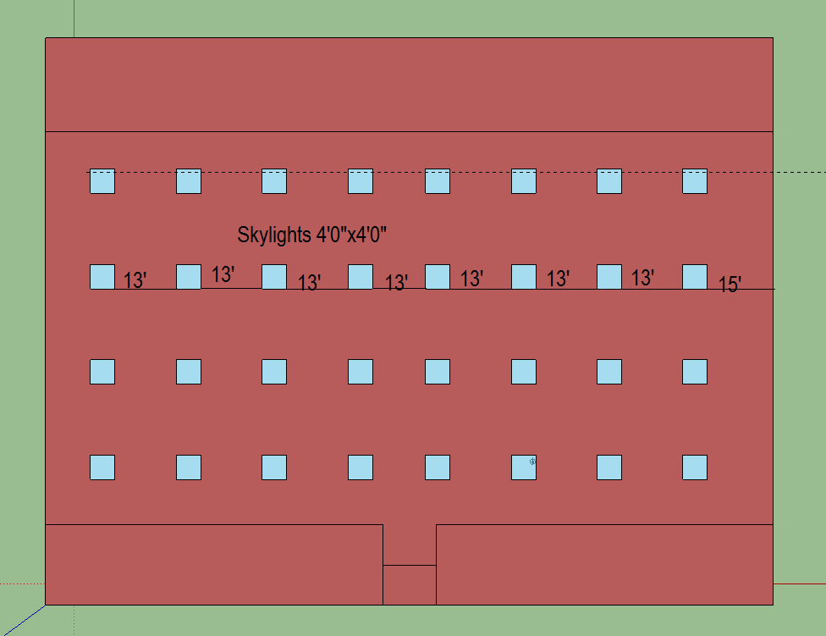
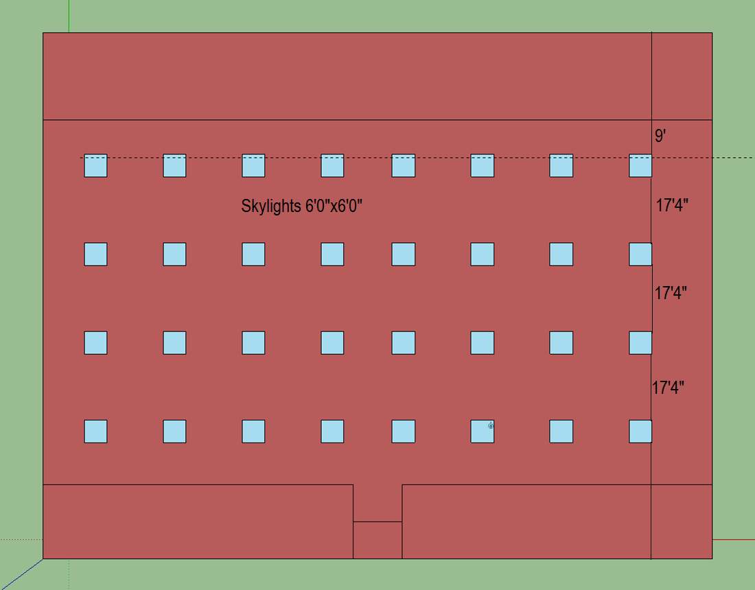

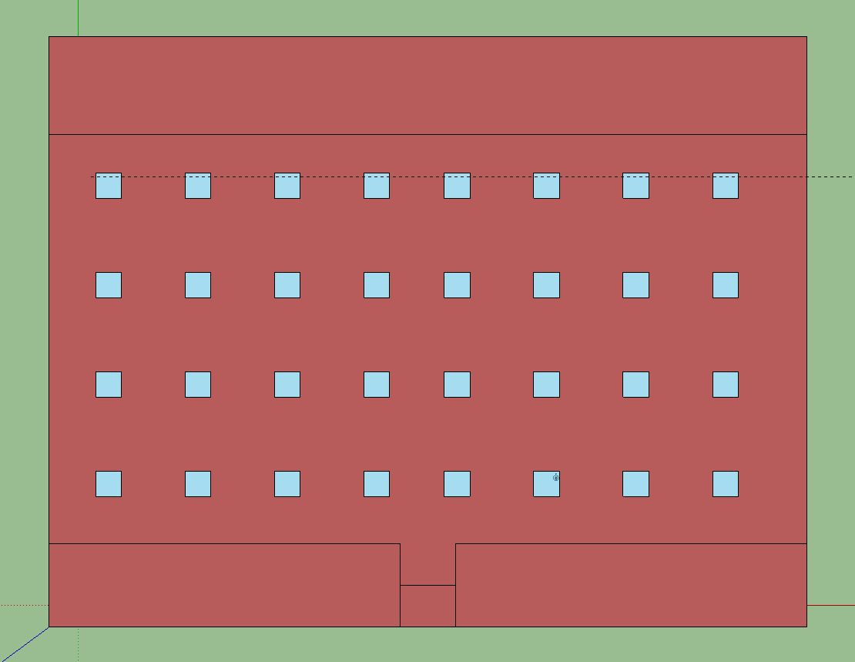

STRIP MALL
Name | Area [ft2] | Conditioned
LGSTORE1 | 3750 | Yes
SMSTORE1 | 1875 | Yes
SMSTORE2 | 1875 | Yes
SMSTORE3 | 1875 | Yes
SMSTORE4 | 1875 | Yes
LGSTORE2 | 3750 | Yes
SMSTORE5 | 1875 | Yes
SMSTORE6 | 1875 | Yes
SMSTORE7 | 1875 | Yes
SMSTORE8 | 1875 | Yes
Total | 18750
Conditioned Total | 18750
Unconditioned Total | 0

Skylight Layout

